Bug Report
Date | 2023-07-07
Title | [WEB][Register] User successfully register without domain in Email field
Desc | User successfully register without domain in Email field, it supposed to be unsuccessful.

 | Notes:
 | - Tested using Windows 11, Chrome Version 114.0.5735.199 (Official Build) (64-bit)
 | - Repro Rate 100%

 | Expected Result:
 | 1. User unsuccessfully registered
 | 2. User can see an error message 'Missing domain such as '.com' in this field' pops up

 | Actual Result:
 | User successfully registered

 | Please see the attachment for details.
Steps | 1. User click 'Masuk' button on Homepage
 | 2. User click 'Daftar di sini'
 | 3. User input name
 | 4. User input email without domain
 | 5. User input password
 | 6. User click 'Daftar' button
Attachment | https://drive.google.com/file/d/1edpCOcsEyHnfY0sRaMPGVD1Vddwww69n/view?usp=drive_link
Severity | Major
Priority | High
Label | UAT Web
Reporter | Dina Ainiyyah
Assignee | -

Date | 2023-07-07
Title | [Web][Profile][Phone number] User can fill the Phone Number field without a numeric format.
Desc | User go to Profile section and fill in the Phone Number field. The format for the phone number section should be a numeric format, but user can fill in without a numeric format.

 | Notes:
 | - Tested using Windows 11, Chrome Version 114.0.5735.199 (Official Build) (64-bit)
 | - Repro Rate 100%

 | Expected Result:
 | 1. User save Profile
 | 2. User can see an error message Non-numeric Phone Number

 | Actual Result:
 | 1. User can save Profile

 | Please see the attachment for details.
Steps | 1. User click Account button
 | 2. User click Profile
 | 3. User upload Profile picture
 | 4. User input name
 | 5. User choose City
 | 6. User input address
 | 7. User input non numeric phone number
 | 8. User click 'Simpan' button
Attachment | https://www.dropbox.com/scl/fi/tzjhaxlrmgw3k7iqt91bm/User-can-fill-phone-number-without-numeric-format.mp4?rlkey=ynumw6ddny6ismp7ploetx7rb&dl=0
Severity | Major
Priority | High
Label | UAT Web
Reporter | Dina Ainiyyah
Assignee | -

Date | 2023-12-07
Title | [Web][Profile][Profile picture] User unable to see 'Photo Size Too Large' error message
Desc | User upload Profile picture with a size above 1 MB. There is no warning about the maximum upload size but the profile can’t be updated. There should be a message.

 | Notes:
 | - Tested using Windows 11, Chrome Version 114.0.5735.199 (Official Build) (64-bit)
 | - Repro Rate 100%

 | Expected Result:
 | 1. User unsuccessfully saved Profile
 | 2. User can see an error message 'Photo Size Too Large'

 | Actual Result:
 | 1. User unsuccessfully saved Profile
 | 2. User unable to see an error message 'Photo Size Too Large'

 | Please see the attachment for details.
Steps | 1. User click Account button
 | 2. User click Profile
 | 3. User upload Profile picture >1MB
 | 4. User input name
 | 5. User choose City
 | 6. User input address
 | 7. User input phone number
 | 8. User click 'Simpan' button
Attachment | https://www.dropbox.com/scl/fi/ubf6d0l6sx8p2xza7e54k/User-can-t-choose-pic-above- 500kb.mp4?rlkey=mzzcftyimmmxty896ave7acr3&dl=0
Severity | Medium
Priority | Middle
Label | UAT Web
Reporter | Dina Ainiyyah
Assignee | -

Date | 13-07-2023
Title | [Web][Add Product][Price] Seller can publish product with negative price
Desc | User as Seller can fill the Price field in Product Details with a negative value and can publish it. It should be filled with a positive value.

 | Notes:
 | - Tested using Windows 11, Chrome Version 114.0.5735.199 (Official Build) (64-bit)
 | - Repro Rate 100%

 | Expected Result:
 | 1.Seller can not publish the product
 | 2.Seller see an error message Can Not Input Negative Price

 | Actual Result:
 | 1.Seller can publish the product

 | Please see the attachment for details.
Steps | 1. Seller access homepage
 | 2. Seller click '+Jual' button
 | 3. Seller input product name
 | 4. Seller input negative price
 | 5. Seller choose category
 | 6. Seller input description
 | 7. Seller upload product photos
 | 8. Seller click Publish button
Attachment | https://www.dropbox.com/scl/fi/gaggbnicqlikklgxtaa5e/Seller-can-fill-the-price-with-hypen.mp4?rlkey=q4cdcpkhb7p7ge2tvlzlpvh01&dl=0
Severity | Major
Priority | High
Label | UAT Web
Reporter | Dina Ainiyyah
Assignee | -

Date | 13-07-2023
Title | [Web][Add Product][Price] The price change if filled with more than 16 digits
Desc | User as Seller fill the price field with more than 16 digits number but the price changes after saving the product. If Seller can input more than 16 digits, the price shouldn’t change.

 | Notes:
 | - Tested using Windows 11, Chrome Version 114.0.5735.199 (Official Build) (64-bit)
 | - Repro Rate 100%

 | Expected Result:
 | 1.Seller can not publish the product
 | 2.Seller see an error message More Than 16 Digits Price

 | Actual Result:
 | 1.Seller can publish the product
 | 2.Seller see Price change if input more than 16 digits

 | Please see the attachment for details.
Steps | 1. Seller access homepage
 | 2. Seller click '+Jual' button
 | 3. Seller click Add Product
 | 4. Seller input product name
 | 5. Seller input product price more than 16 digits
 | 6. Seller choose category
 | 7. Seller input description
 | 8. Seller upload product photos
 | 9. Seller click Publish button
Attachment | https://www.dropbox.com/scl/fi/gaggbnicqlikklgxtaa5e/Seller-can-fill-the-price-with-hypen.mp4?rlkey=q4cdcpkhb7p7ge2tvlzlpvh01&dl=0
Severity | Major
Priority | High
Label | UAT Web
Reporter | Dina Ainiyyah
Assignee | -

Date | 13-07-2023
Title | [Web][Product page] Buyer can not see Product detail
Desc | User as Buyer can not see the product that was uploaded without a picture and redirected to an error page ‘Something went wrong.’

 | Notes:
 | - Tested using Windows 11, Chrome Version 114.0.5735.199 (Official Build) (64-bit)
 | - Repro Rate 100%

 | Expected Result:
 | Buyer can see the Product detail.

 | Actual Result:
 | Buyer was redirected to an error ‘Something went wrong’ page when clicking the Product that was uploaded without a picture.

 | Please see the attachment for details.
Steps | 1. Buyer click the Product.
Attachment | https://www.dropbox.com/scl/fi/gxxjznk6sha1847sahwkb/something-error.mp4?rlkey=4x28km8ddshh1zwwkvrcxlef1&dl=0
Severity | Critical
Priority | High
Label | UAT Web
Reporter | Dina Ainiyyah
Assignee | -

Date | 13-07-2023
Title | [Web][Product page][Price negotiation] Typo in the word 'Penual'
Desc | There is a typo in the Price negotiation page. The word ‘Penual’ should be written as ‘Penjual’.

 | Notes:
 | 1. Tested using Windows 11, Chrome Version 114.0.5735.199 (Official Build) (64-bit)
 | 2. Repro Rate 100%

 | Expected Result:
 | There is no typo in Price negotiation page.

 | Actual Result:
 | There is typo in the word ‘Penual’.

 | Please see the attachment for details.
Steps | 1. Buyer click the Product.
 | 2. Buyer click ‘Saya tertarik dan ingin nego’ button.
 | 3. Buyer see the Price negotiation box.
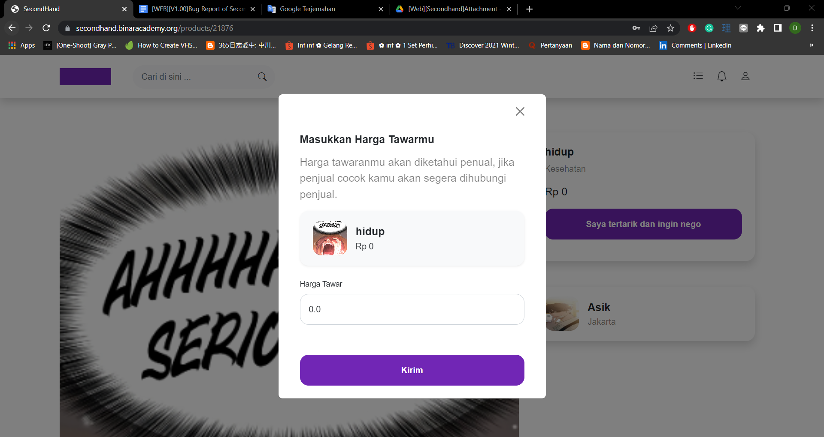
Attachment
Severity | Minor
Priority | Low
Label | UAT Web
Reporter | Dina Ainiyyah
Assignee | -

Date | 15-07-2023
Title | [Web][Profile][Phone number] Can input the Phone number with less than 10 digits
Desc | User can input the Phone number field with less than 10 digits. The range of Phone number should be 10 -13 digits.

 | Notes:
 | 1. Tested using Windows 11, Chrome Version 114.0.5735.199 (Official Build) (64-bit)
 | 2. Repro Rate 100%

 | Expected Result:
 | 1. User can not save Profile
 | 2. User can see an error message Phone Number Less Than 10 digits

 | Actual Result:
 | 1. User can save Profile

 | Please see the attachment for details.
Steps | 1. User click Profile
 | 2. User upload Profile picture
 | 3. User input name
 | 4. User choose City
 | 5. User input address
 | 6. User input phone number <10 digits
 | 7. User click Save button
Attachment | https://www.dropbox.com/scl/fi/he065rf3etfw813fwvodc/user-can-input-less-than-10-and-more-than-14-number.mp4?rlkey=99859iq6dqd82qlfobry2qvjr&dl=0
Severity | Major
Priority | High
Label | UAT Web
Reporter | Dina Ainiyyah
Assignee | -

Date | 15-07-2023
Title | [Web][Profile][Phone number] Can input the Phone number with more than 15 digits
Desc | User can input the Phone number field with more than 15 digits. The range of Phone number should be 10 -15 digits.

 | Notes:
 | 1. Tested using Windows 11, Chrome Version 114.0.5735.199 (Official Build) (64-bit)
 | 2. Repro Rate 100%

 | Expected Result:
 | 1. User can not save Profile
 | 2. User can see an error message Phone Number More Than 15 digits

 | Actual Result:
 | 1. User can input more than 15 digits in the Phone number field.

 | Please see the attachment for details.
Steps | 1. User click Profile
 | 2. User upload Profile picture
 | 3. User input name
 | 4. User choose City
 | 5. User input address
 | 6. User input phone number >15 digits
 | 7. User click Save button
Attachment | https://www.dropbox.com/scl/fi/he065rf3etfw813fwvodc/user-can-input-less-than-10-and-more-than-14-number.mp4?rlkey=99859iq6dqd82qlfobry2qvjr&dl=0
Severity | Major
Priority | High
Label | UAT Web
Reporter | Dina Ainiyyah
Assignee | -

Date | 15-07-2023
Title | [Web][Product][Photos] Seller redirected to the 403 Entity Too Large page
Desc | Seller upload product photo more than 10 photos. Seller does not receive an error message and is redirected to the 403 Entity Too Large page.

 | Notes:
 | 1. Tested using Windows 11, Chrome Version 114.0.5735.199 (Official Build) (64-bit)
 | 2. Repro Rate 100%

 | Expected Result:
 | 1. Seller can not publish the product
 | 2. Seller see an error message Exceed The Maximum Photos

 | Actual Result:
 | 1. Seller can not publish the product
 | 2. Seller redirected to 403 Entity Too Large page

 | Please see the attachment for details.
Steps | 1. Seller access homepage
 | 2. Seller click '+Jual' button
 | 3. Seller input product name
 | 4. Seller input product price
 | 5. Seller choose category
 | 6. Seller input description
 | 7. Seller upload product photo more than 10
 | 8. Seller click Publish button
Attachment | https://www.dropbox.com/scl/fi/8n6ju1v7o4071b1o5munu/entity-too-large.mp4?rlkey=yfqd5kc1zemuiu1xav03u4kq7&dl=0
Severity | Major
Priority | High
Label | UAT Web
Reporter | Dina Ainiyyah
Assignee | -

